Sheet1
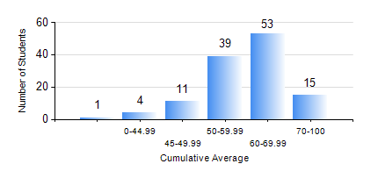
 |  |  | KWAME NKRUMAH UNIVERSITY OF SCIENCE AND TECHNOLOGY, KUMASI Department of Geomatic Engineering

 |  |  | BSC. GEOMATIC ENG.

 |  |  | COMPREHENSIVE RECORD OF EXAMINATION RESULTS

 |  |  | RESULTS OF YEAR 2 SECOND SEMESTER, 2022/2023 ACADEMIC YEAR

 | Sn | Course Code |  | Course Name | Credit Hours | Min. Mark | Max. Mark | Avg. Mark | Std. Dev. | No. Passed | No. Trailed | No. (Df) | No. (I) | No. (I*) | No. Tagged(I,I*,Df) | Total
 | 0. |  |  |  |  |  |  | 0 | 0 | 0 | 0 | 0 | 0 | 0 | 0 | 12
 | 1. | CE 260 |  | SOIL AND ROCK MECHANICS | 3 | 22 | 92 | 61 | 14.46 | 107 | 3 | 1 | 0 | 0 | 1 | 111
 | 2. | ENGL 264 |  | LITERATURE IN ENGLISH II | 1 | 33 | 82 | 64 | 10.16 | 109 | 1 | 0 | 1 | 0 | 1 | 111
 | 3. | GE 262 |  | PRINCIPLES OF REMOTE SENSING | 3 | 1 | 78 | 48 | 13.07 | 93 | 17 | 0 | 1 | 0 | 1 | 111
 | 4. | GE 272 |  | ENGINEERING SURVEY II | 3 | 25 | 89 | 58 | 11.68 | 106 | 4 | 0 | 1 | 0 | 1 | 111
 | 5. | GE 284 |  | HYDROGRAPHIC SURVEYING AND MARINE SCIENCE | 3 | 40 | 87 | 61 | 10.4 | 111 | 0 | 0 | 0 | 0 | 0 | 111
 | 6. | GE 292 |  | PRACTICAL TASK II | 4 | 50 | 87 | 70 | 6.16 | 111 | 0 | 0 | 0 | 0 | 0 | 111
 | 7. | MATH 252 |  | CALCULUS WITH SEVERAL VARIABLES | 4 | 56 | 81 | 67 | 5.05 | 111 | 0 | 0 | 0 | 0 | 0 | 111

